Sheet1
 | Power BI Development - Requirements Gathering Template |  |  | B.I. Evolution
Project Title | Data Analytics Project - UK Trains Performance
Point of Contact | Flavio Meneses
Objectives of the Solution | Build a Power BI report that shows the probability of UK trains being on time between any two stations and time selected by the user.
Use cases: personas, business questions and KPI's | As an end-user, I need a report that is easy to navigate, only shows a small number of options to choose from and allows me to intuitively understand the likelihood of my train being on time.
Features Prioritisation (MoSCoW technique) | Must have (non-negotiable) - Design should be captivating and resemble a train ticket for user interaction - Outcome should be practical and inform real world decisions |  | Should have (important but less urgent) - Show on-time % on a visual resembling a station screen
 | Could have (nice-to-haves, time permitting) - Show best/worst performing stations on a map to identify trends |  | Won't have (out of scope) - Data for all stations won't be used, due to volumes - pick main stations - Live data won't be used, due to volumes, only historical data for rush hour and 1 week/month for 5 months
Data Sets (and Source/Owner) | Data from the National Rail Data Portal API https://opendata.nationalrail.co.uk/
Data Granularity required | Data will be fetched for Jan'22 to Jun'22; due to data volumes, this is limited to the main stations of the UK's West Coast Main Line, for a representative full week in each month, during peak hours (06:00-09:00 and 16:00-18:00).
Reporting cadence | One-off
Security | n/a
Level of automation sought |  | Low: Ideal for prototyping only, data requires manual processing and relies on exports from source systems
 |  | Medium: Some data drawn directly from source systems but some manual exports still required
 |  | High: Data drawn directly from source systems and business rules are well defined to automate transformations
Licensing | n/a
Target Completion | n/a
Systems access | n/a
Risks | n/a
Budget | n/a
Workload / Availability | n/a

Sketches of envisaged report(s)
Make report resemble a train ticket and add interactive elements for station & time selection

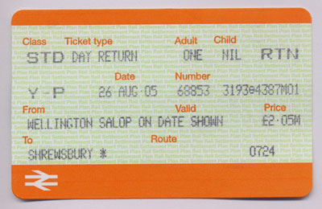

 |  |  |  |  | Source
Make train performance (e.g. on time %) resemble a station screen

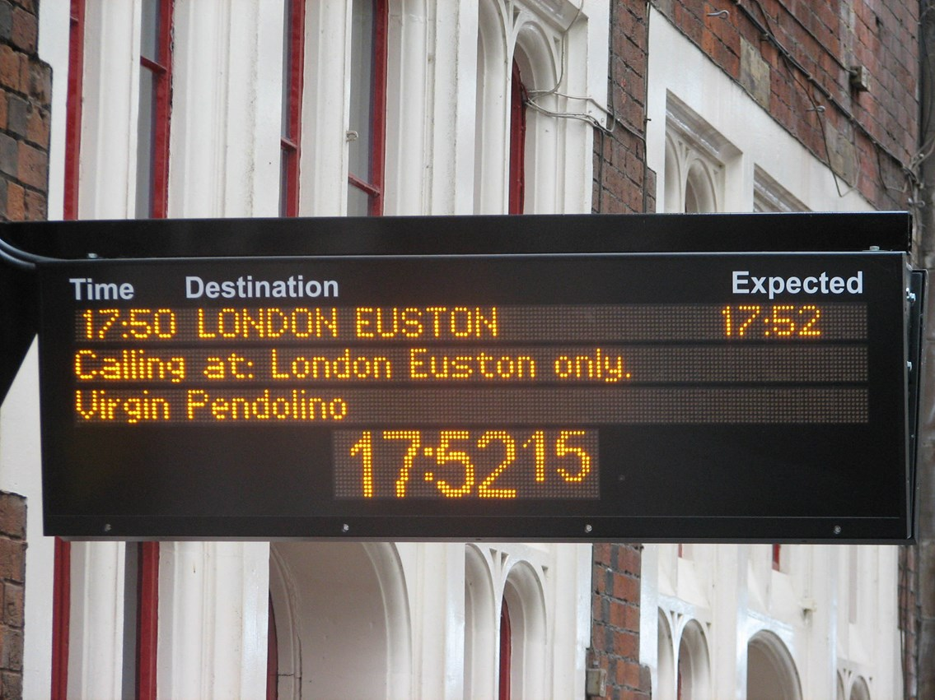

 |  |  |  |  | Source

